Dash Cam Spec Comparison
Brand | Cobra | Cobra | Cobra | Cobra | Cobra | Cobra | Cobra | Cobra | Cobra | Cobra
Product | IP 200 | CDR 835 | CDR 855BT | CDR 875G | CDR 895D | CDR 905DBT | DASH 2208 | DASH 2308 | DASH 2216D | DASH 2316D
Retail | $59.99 | $119.99 | $149.99 | $179.99 | $199.99 | $249.99 | $129.99 | $149.99 | $199.99 | $219.99
Product Image | 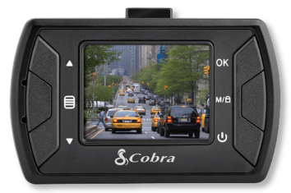 | 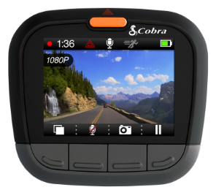 | 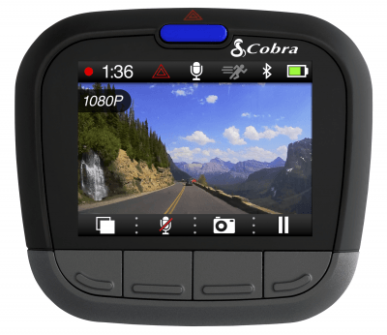 | 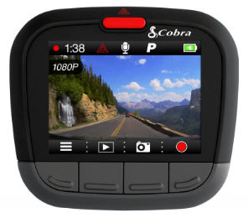 |  | 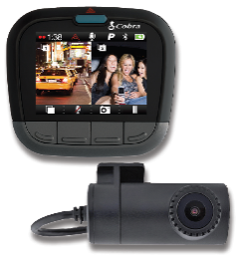
Video Resolution | 1080p 30fps | 1080p | 1080p | 1080p | 1080p Front/720p Rear | 1080p Front/720p Rear | 1296p 30fps | 1296p 30fps | 1296p Front/720p Rear | 1296p Front/720p Rear
FOV | 120° Wide Angle Lens | 160° Ultra Wide Angle Lens | 160° Ultra Wide Angle Lens | 160° Ultra Wide Angle Lens | 160° Ultra Wide Angle Lens | 160° Ultra Wide Angle Lens | 160° Ultra Wide Angle Lens | 160° Ultra Wide Angle Lens | 160° Ultra Wide Angle Lens | 160° Ultra Wide Angle Lens
Dual Channel | No | No | No | No | Yes | Yes | No | No | Yes | Yes
Loop Recording | Yes | Yes | Yes | Yes | Yes | Yes | Yes | Yes | Yes | Yes
G-Sensor | Yes | Yes | Yes | Yes | Yes | Yes | Yes | Yes | Yes | Yes
Bluetooth | No | No | Yes | Yes | No | Yes | No | Yes | No | Yes
Embed GPS Data | No | With Separate Accessory | Yes w/ Bluetooth or Separate Accessory | Yes w/ Bluetooth or Included Accessory | With Separate Accessory | Yes w/ Bluetooth or Separate Accessory | With Separate Accessory | Yes w/ Bluetooth or Separate Accessory | With Separate Accessory | Yes w/ Bluetooth or Separate Accessory
WiFi | No | No | No | No | No | No | No | No | No | No
App | No | No | Yes | Yes | No | Yes | No | Yes | No | Yes
Driver Alert System | No | No | No | No | Yes LDWS/FCWS | Yes LDWS/FCWS | Yes LDWS/FCWS | Yes LDWS/FCWS | Yes LDWS/FCWS | Yes LDWS/FCWS
Parking Mode | Yes | Yes | Yes | Yes | Yes | Yes | Yes | Yes | Yes | Yes
Power | Battery | Battery | Battery | Battery | Battery | Battery | Super Capacitor | Super Capacitor | Super Capacitor | Super Capacitor
SD Card | 4GB Included | 8GB Included | 8GB Included | 8GB Included | 16GB Included | 16GB Included | 8GB Included | 8GB Included | 16GB Included | 16GB Included
Mount | Suction Cup Mount | Suction Cup Mount | Suction Cup Mount | Suction Cup Mount | Suction Cup Mount | Suction Cup Mount | Adhesive Mount | Adhesive Mount | Adhesive Mount | Adhesive Mount
Display | 1.5" LCD Display | 2" LCD Display | 2" LCD Display | 2" LCD Display | 2" LCD Display | 2" LCD Display | 2" LCD Display | 2" LCD Display | 2" LCD Display | 2" LCD Display

